Arduino
Customer Name:- |  |  |  |  | Color Codes
Project Name:- CLUSTER |  |  |  |  | Updated
Drg Name:- |  |  |  |  | New Added
Drg Part No. : |  |  |  |  | Need to Confirm
Drg Rev. No:- |  |  |  |  | Additional Parts
BOM Rev. No:-
Date:-
Prepared by - Computer Engg Dept
SR. No. | Component Name | Mfr. Part No. | Specification | Quantity | Component URL | Components Images | Project/Intent
2 | Arduino UNO |  | Arduino UNO REV3 [A000066] | 1 | https://www.amazon.in/Arduino-UNO-board-DIP-ATmega328P/dp/B008GRTSV6 | 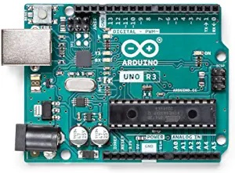 | Cluster Development
8 | Arduino Nano V3 | - | Arduino Nano V3 | 1 | https://www.amazon.in/A2Z-Quality-ATmega168-Compatible-Arduino/dp/B07L85H1ZF/ | 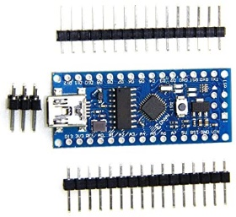 | Cluster Development
9 | Arduino UNO R3 | - | Arduino UNO R3 Development Board | 1 | https://www.amazon.in/jivith-Arduino-Development-Electronic-Components/dp/B08S47G83Y/ | 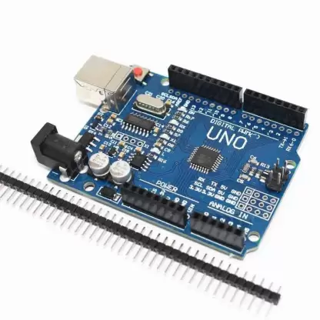 | Cluster Development
9 | FAST PROTOTYPING BOARD FOR RL78 | - | FAST PROTOTYPING BOARD FOR RL78 | 1 | https://www.mouser.in/ProductDetail/Renesas-Electronics/RTK7RLG230CLG000BJ?qs=ti9wR6LxNKV6unkOR66boQ%3D%3D | 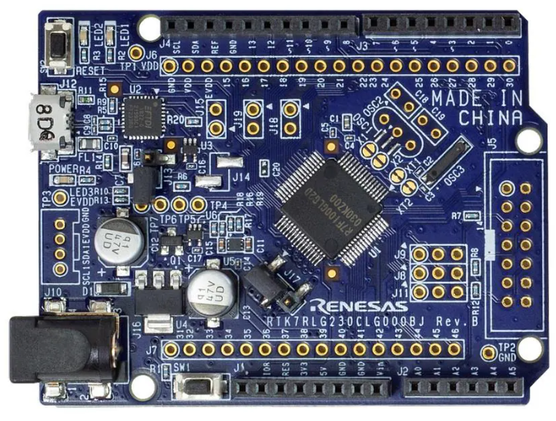 | Cluster Development

ARM
Customer Name:- |  |  |  |  | Color Codes
Project Name:- CLUSTER |  |  |  |  | Updated
Drg Name:- |  |  |  |  | New Added
Drg Part No. : |  |  |  |  | Need to Confirm
Drg Rev. No:- |  |  |  |  | Additional Parts
BOM Rev. No:-
Date:-
Prepared by - Computer Engg Dept
SR. No. | Component Name | Mfr. Part No. | Specification | Quantity | Component URL | Components Images | Project/Intent
1 | STM8 | - | STM8 Development Board | 1 | https://www.amazon.in/Generic-STM8S-DEVELOPMENT-BOARD-STM8S103F3P6/dp/B08V5123PM/ | 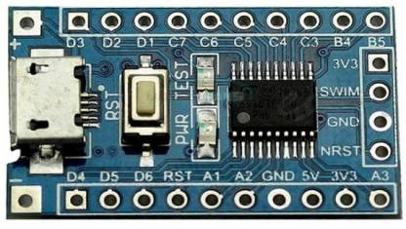 | Cluster Development
2 | STM32 | - | Arm Stm32 Development Board for Arduino | 1 | https://www.amazon.in/Generic-STM32F103C8T6-Minimum-Development-Arduino/dp/B01EM11KOC/ |  | Cluster Development
3 | Nucleo-64 Development Board | NUCLEO-G071RB | NUCLEO-G071RB, Nucleo-64, 32-Bit, STM32G071RB MCU, Development Board | 1 | https://www.amazon.in/NUCLEO-G071RB-Nucleo-64-32-Bit-STM32G071RB-Development/dp/B0BFLMC7WG | 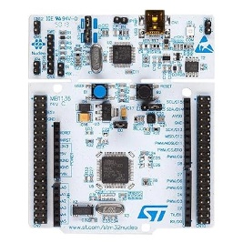 | Cluster Development | https://www.digikey.in/en/products/detail/stmicroelectronics/NUCLEO-G474RE/10231585
4 | STM Programmer & Debugger | ‎BE-002709 | ST-LINK v2 STM Programmers Debuggers for STM8 and STM32 | 1 | https://www.amazon.in/xcluma-ST-LINK-Programmers-Debuggers-STM32/dp/B09XHT45SY | 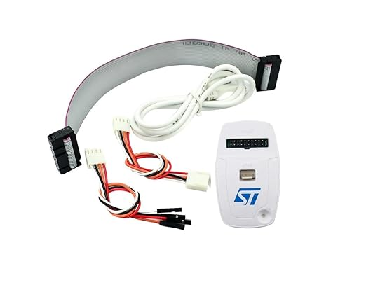 | Cluster Development
5 | STM32 Emulator & Downloader | INNI233 | ST-Link V2 Mini STM8 STM32 Emulator Downloader Programming Unit | 1 | https://www.amazon.in/ST-Link-Emulator-Downloader-Programming-Random/dp/B0CFVLMHL2/ |  | Cluster Development
6 | Raspberry Pi Pico | - | Raspberry Pi Pico Microcontroller Board / Kit | 1 | https://www.amazon.in/REES52-Raspberry-microcontroller-Development-RP2040/dp/B08V4XBDDB/ |  | Cluster Development
7 | STLINK-V3MINIE | - | STLINK-V3MINIE Debugger/Programmer for All STM32 MCU -JTAG/SWD Interfaces | 1 | https://www.mouser.in/ProductDetail/STMicroelectronics/STLINK-V3MINIE?qs=MyNHzdoqoQKcLQe5Jawcgw%3D%3D |  | Cluster Development
8 | STM32F4 - Discovery |  | STM32F4 - Discovery | 1 | https://www.amazon.in/STM32F411E-DISCO-Cortex-M4-STM32F4-Development-board/dp/B09KTSLK8B |  | Cluster Development
9 | Arduino UNO R4 WiFi | - | Arduino UNO R4 WiFi - Renesas RA4M1 / ESP32-S3 | 1 | https://www.amazon.in/Arduino-UNO-WiFi-Bluetooth-Connector/dp/B0C8V88Z9D | 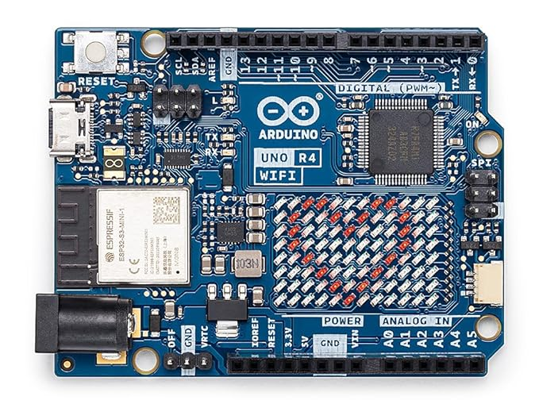 | Cluster Development
10 | Arduino UNO R4 Minima | - | Arduino UNO R4 Minima [ABX00080] - Renesas RA4M1 | 1 | https://www.amazon.in/Arduino-UNO-Minima-ABX00080-connector/dp/B0C78K4CD4 | 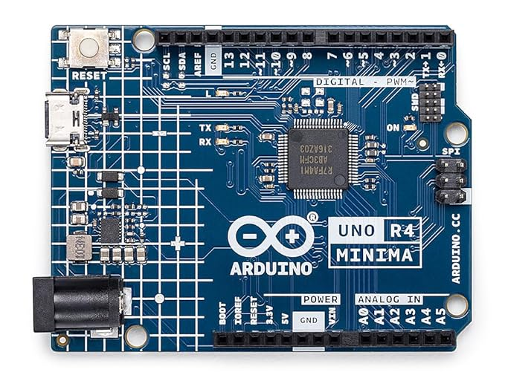 | Cluster Development

Embedded OS
Customer Name:- |  |  |  |  | Color Codes
Project Name:- CLUSTER |  |  |  |  | Updated
Drg Name:- |  |  |  |  | New Added
Drg Part No. : |  |  |  |  | Need to Confirm
Drg Rev. No:- |  |  |  |  | Additional Parts
BOM Rev. No:-
Date:-
Prepared by - Computer Engg Dept
SR. No. | Component Name | Mfr. Part No. | Specification | Quantity | Component URL | Components Images | Project/Intent
1 | Raspberry Pi 4 | - | Raspberry Pi 4 8GB RAM | 1 | https://www.amazon.in/Raspberry-Pi-8GB-Desktop-Computer/dp/B08B9XS3B6 |  | Infotainment System
2 | TFT LCD Display | - | 5 Inch Touchscreen 800x480 TFT LCD Display HDMI Interface | 1 | https://www.amazon.in/Raspberry-Touchscreen-800x480-Display-Interface/dp/B098PL5VH4/ |  | Infotainment System
3 | BeagleBone | ‎BBONE-BLACK-4G | BeagleBone Rev C with 4GB Flash Memory | 1 | https://www.amazon.in/Beaglebone-Black-Devkit-BeagleBone-Rev/dp/B00K7EEX2U | 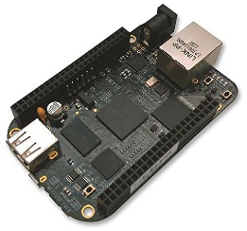 | Infotainment System (Integrated CAN)
4 | Raspberry PI 5MP Camera | 100003 | Raspberry PI 5MP Camera Board Module | 1 | https://www.amazon.in/Raspberry-5MP-Camera-Board-Module/dp/B00E1GGE40 | 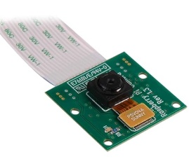 | Infotainment System (ADAS)
5 | Raspberry Pi 4 Case | RP000CASE | Raspberry Pi Official Case - ‎Acrylonitrile Butadiene Styrene (ABS) | 1 | https://www.amazon.in/Raspberry-Pi-Official-Case-Model/dp/B08GZXZC7Q | 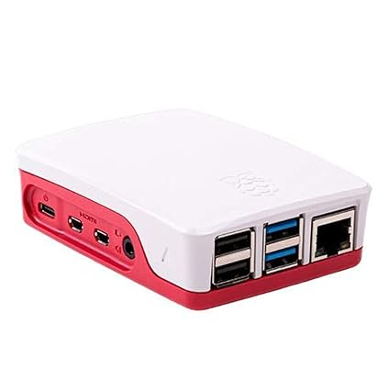 | Infotainment System (ESD Protection)
 |  |  |  |  | https://www.amazon.in/STM32MP157D-DK1-Discovery-STM32MP157DAC1-Cortex-A7-Cortex-M4/dp/B0C2C4FPF1/
 |  |  |  |  | https://www.amazon.in/STM32MP157F-DK2-STM32MP157FAC1-Cortex-A7-Cortex-M4-Discovery/dp/B0BQWC14VF/

IOT
Customer Name:- |  |  |  |  | Color Codes
Project Name:- CLUSTER |  |  |  |  | Updated
Drg Name:- |  |  |  |  | New Added
Drg Part No. : |  |  |  |  | Need to Confirm
Drg Rev. No:- |  |  |  |  | Additional Parts
BOM Rev. No:-
Date:-
Prepared by - Computer Engg Dept
SR. No. | Component Name | Mfr. Part No. | Specification | Quantity | Component URL | Components Images | Project/Intent
3 | NodeMcu ESP8266 V3 | - | Arduino M473 NodeMcu ESP8266 V3 Development Board | 1 | https://www.amazon.in/NodeMcu-ESP8266-Wireless-Internet-Development/dp/B0BFL4F5DM/ | 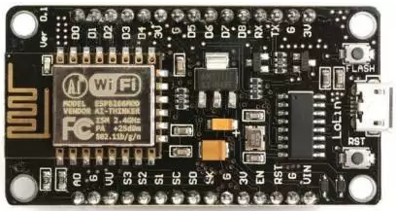 | IOT
4 | WEMOS D1 R2 | - | WEMOS D1 R2 ESP8266 Development Board | 1 | https://www.amazon.in/Auslese-RoboticsTM-ESP-12E-ESP8266-Compatible/dp/B09ZQTX3GJ/ | 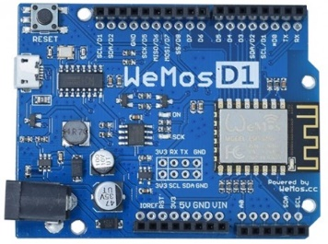 | IOT
6 | ESP32 | - | ESP32 Development Board | 1 | https://www.amazon.in/Easy-Electronics-Development-Bluetooth-Consumption/dp/B07TYCFX5C | 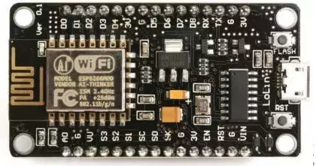 | IOT
8 | GPRS GSM Module | SIM800LTTL | SIM800L GPRS GSM Module Core Board Quad-band TTL Serial Port with the antenna | 1 | https://www.amazon.in/Robodo-Electronics-SIM800LTTL-Module-Quad-Band/dp/B07B92T3K7 | 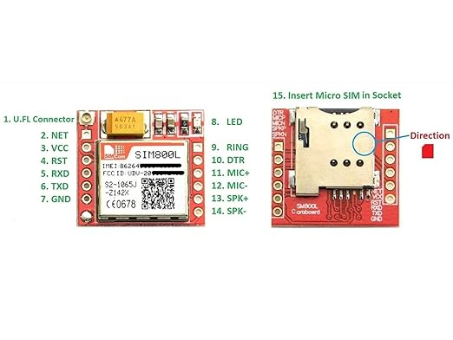 | Telematics

COM
Customer Name:- |  |  |  |  | Color Codes
Project Name:- CLUSTER |  |  |  |  | Updated
Drg Name:- |  |  |  |  | New Added
Drg Part No. : |  |  |  |  | Need to Confirm
Drg Rev. No:- |  |  |  |  | Additional Parts
BOM Rev. No:-
Date:-
Prepared by - Computer Engg Dept
SR. No. | Component Name | Mfr. Part No. | Specification | Quantity | Component URL | Components Images | Project/Intent
1 | CAN BUS ANALYZER | APGDT002 | MICROCHIP CAN BUS ANALYZER | 1 | https://sharvielectronics.com/product/usb-to-can-adapter-model-a-stm32-chip-solution-multiple-working-modes-multi-system-compatible/ |  | ABZO, ECO-WAVE , BGAUSS
2 | LIN Serial Analyzer | APGDT001 | MICROCHIP LIN Serial Analyzer | 1 | https://www.logicpower.in/product-details.aspx?productid=102 |  | Cluster Development (LIN)
3 | Logic Analyzer | - | USB Logic Analyzer Device With EMI Ferrite Ring USB Cable 24MHz 8CH 24MHz 8 Channel UART IIC SPI Debug | 1 | https://www.amazon.in/IDUINO-Analyzer-Device-Ferrite-Channel/dp/B0BLDN23K6 |  | DOL Mobility
4 | MCP2515 CAN Bus Module | Nil | MCP2515 CAN Module TJA1050 Receiver SPI 51 Single Chip Program Routine Arduino | 2 | https://www.amazon.in/VEDHROM-MCP2515-Controller-Receiver-Protocol/dp/B0CKKD1Y7L/ | 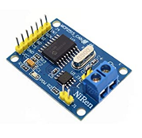 | Cluster Development (CAN)
5 | Bluetooth Transceiver Module | Nil | Hc05 Bluetooth Transceiver Module With TTL Outputs (With Base) | 2 | https://www.amazon.in/DIY-Retails-Bluetooth-Transceiver-Outputs/dp/B019OR9YVU |  | Cluster Development (BLE)
6 | RS- 485 Module | Nil | RS- 485 Module TTL to RS- 485 Converter Module | 2 | https://www.amazon.in/KitsGuru-MAX485-Module-Converter-KG118/dp/B078K8BKV7/ |  | Cluster Development (CAN)
7 | USB to TTL | Nil | CP2102-6pin USB 2.0 to TTL UART serial converter | 2 | https://www.amazon.in/CP2102-6pin-USB-UART-serial-converter/dp/B0975WP66R |  | Cluster Development (UART)
8 | CAN Bus Interface Module | Nil | CAN Controller Bus Driver Interface Module | 2 | https://www.amazon.in/TJA1050-Controller-Driver-Interface-Module/dp/B09PKH4BZV |  | Cluster Development (CAN)
9 | LCD Panel Display | VIM-332 | LCD Numeric Display Modules | 2 | https://www.mouser.in/ProductDetail/Varitronix/VIM-332 | 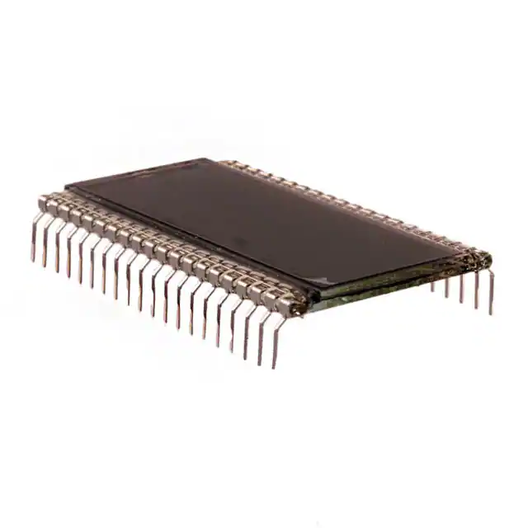 | TFT Cluster
10 | Jumper Wires Ribbon Cables Kit |  | male/ female jumper wires, male/ male jumper wires, female/ female jumper wires | 3 Set ((120 Pieces)) | https://www.amazon.in/Aptechdeals-Jumper-Wires-Female-Breadboard/dp/B074JB6SX8 | 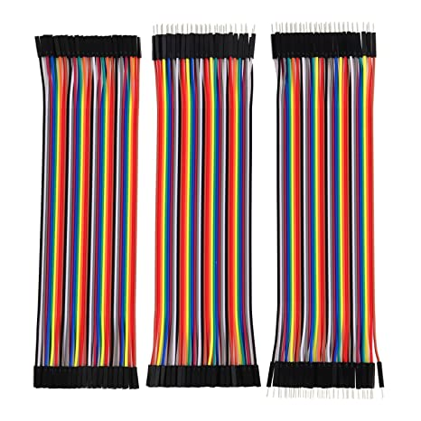 | TFT Cluster
11 | E2 Lite Emulator | RTE0T0002LKCE00000R | Emulators/Simulators E2 Lite Debugger | 1 | https://www.mouser.in/ProductDetail/Renesas-Electronics/RTE0T0002LKCE00000R?qs=%252BeyzNZpA%252BXI3Za17aoB43g%3D%3D |  | ABZO, ECO-WAVE , BGAUSS
12 | Adapter | - | 5 Volt 1 Amp Power Adapter takes an AC INPUT of 100-240V and gives 5V 1A DC output | 1 | https://www.amazon.in/5V-2Amp-Adapter-Power-Supply/dp/B0B8DZYJXV/ | 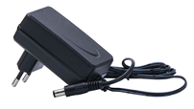 | TFT Cluster
13 | 3.5 TFT LCD TOUCH | ILI9488 | 3.5 INCH TFT LCD DISPLAY MODULE SPI INTERFACE 320X480 WITH TOUCH SCREEN | 1 | https://www.amazon.in/DISPLAY-MODULE-INTERFACE-320X480-SCREEN/dp/B0CM9VQCB1 |  | TFT Cluster
14 | Tachometer | ‎DT-2234C | Mextech DT-2234C Non-Contact Tachometer | 1 | https://www.amazon.in/MEXTECH-DT-2234C-Mextech-Non-Contact-Tachometer/dp/B01LXLRTMH |  | ABZO
15 | 1.8 inch TFT without touch | ST7735 | 1.8 inch TFT without touch LCD Module LCD Screen Module SPI serial | 1 | https://www.amazon.in/xcluma-without-Module-Screen-Resolution/dp/B09RW7WT7B |  | TFT Cluster
16 | EEPROM Storage Module | AT24C256 | AT24C256 I2C Interface EEPROM Storage Module | 1 | https://www.amazon.in/xcluma-AT24C256-Interface-EEPROM-Storage/dp/B0974WQTV5/ |  | TICM
17 | FLASH storage module | W25Q32 | W25Q32 32Mbit 4MByte large capacity FLASH storage module SPI interface | 1 | https://www.amazon.in/xcluma-W25Q32-capacity-storage-interface/dp/B0974Y5RL7/ | 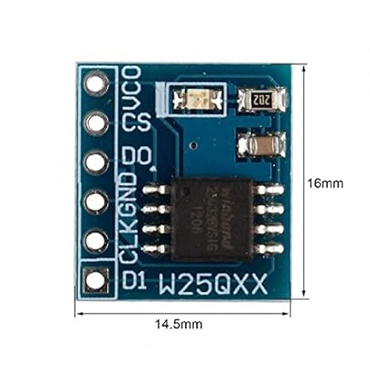 | TICM
18 | SD Card Reader Module | ST-2010SM0562 | SD Card Reader Module SPI interface | 1 | https://www.amazon.in/Mini-Micro-Card-Reader-Module/dp/B09P3ZZMBF/ |  | TICM
19 | Micro SD Memory Shield SPI | B08LVZWW6J | Micro SD TF Card Memory Shield Module SPI | 1 | https://www.amazon.in/Microbot-Micro-Storage-Memory-Adapter-Arduino/dp/B08LVZWW6J/ |  | TICM
20 | SD Card Module | B086GZZCQM | SD Card Module Slot Socket Reader | 1 | https://www.amazon.in/Robotly-Reading-Writing-Arduino-Raspberry/dp/B086GZZCQM/ |  | TICM

